Ways to Save to PDF Instruction
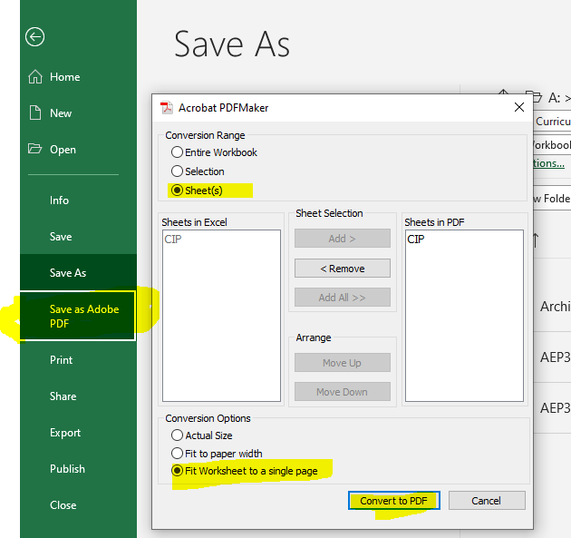
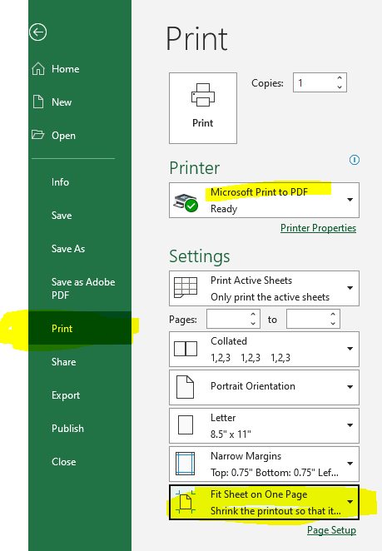
Save as PDF using the Save as Adobe PDF option. Set Conversion Range to 'Sheets'. Set Conversion Options to 'Fit Worksheet to a single page'. Then click 'Convert to PDF'. | Save as PDF using the Print option. Change Printer setting to 'Microsoft Print to PDF'. Set last setting to 'Fit Sheets on One Page'. Then click 'Print'.

